Applied Probability-Business
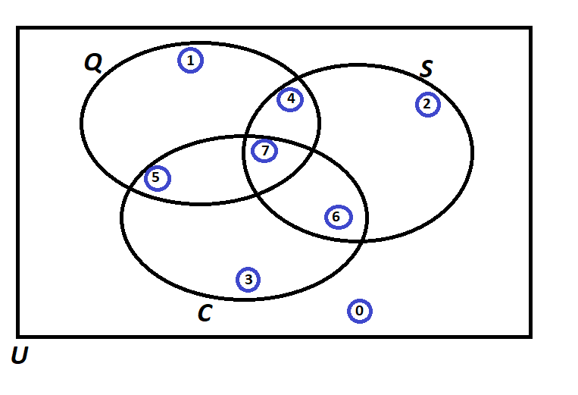
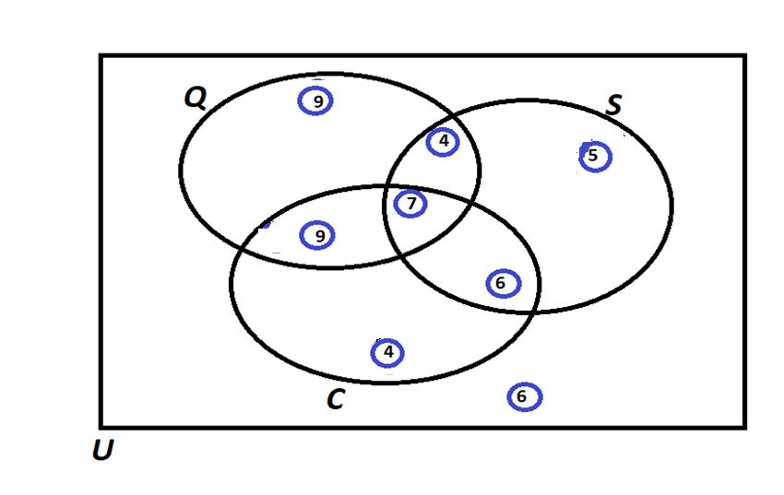
PIP | Quality Score | Process Days | Project Cost |  |  | Event of Interest: | Notation for the Probability of the given event: | Count: | Probability/Percentage
1 | 993 | 3 | 263470 | Use Symbols |  | Event Q: Quality is satisfied if Quality Score > 500 | P(Q ) | 29 | 58.0%
2 | 306 | 4 | 417320 | A intersect B: | A ∩ B | Event S: Speed is satisfied if Speed < 13 days | P(S ) | 22 | 44.0%
3 | 172 | 23 | 80210 | A Union B: | A U B | Event C: Cost is satisfied if Cost < 234,000 | P(C ) | 26 | 52.0%
4 | 252 | 13 | 460281 | A-Complement: | A' |  | Notation for the Probability of the given event: | Count: | Probability/Percentage
5 | 651 | 16 | 201680 | A Condition B: | A | B | P(Score = 0) | P(Q' ∩ S' ∩ C') | 6 | 0.12 |  | »»»»»»
6 | 414 | 3 | 199656 | (A Given B) |  | P(Score = 1) | P(Q ∩ S' ∩ C') | 9 | 0.18 |  | »»»»»»
7 | 246 | 8 | 15621 |  |  | P(Score = 2) | P(Q' ∩ S ∩ C') | 5 | 0.10 |  | »»»»»»
8 | 820 | 15 | 89239 |  |  | P(Score = 3) | P(Q' ∩ S' ∩ C) | 4 | 0.08 |  | »»»»»»
9 | 587 | 20 | 466122 |  |  | P(Score = 4) | P(Q ∩ S ∩ C') | 4 | 0.08
10 | 331 | 16 | 309484 |  |  | P(Score = 5) | P(Q ∩ S' ∩ C) | 9 | 0.18
11 | 663 | 4 | 45341 |  |  | P(Score = 6) | P(Q' ∩ S ∩ C) | 6 | 0.12
12 | 940 | 18 | 156677 |  |  | P(Score = 7) | (Q ∩ S ∩ C) | 7 | 0.14
13 | 531 | 15 | 441961 |  |  |  | TOTAL: | 50 | 1.00
14 | 563 | 4 | 377165 |  |  |  | Notation for the Probability of the given event: | Count : Dependent | Count: Given | Probability/Percentage
15 | 724 | 23 | 80404 |  |  | a) Of those who satisfied cost, what percentage also satisfied Speed? | P(S | C) | 13 | 26 | 50%
16 | 866 | 24 | 339937 |  |  | b) Of those who satisfied Quality, what percentage also satisfied Cost? | P(C | Q) | 16 | 29 | 55%
17 | 201 | 17 | 278608 |  |  | c) Of those who satisfied Quality, what percentage also satisfied Speed but did not satisfy the Cost? | P( (S ∩ C' )| Q ) | 4 | 29 | 14%
18 | 324 | 4 | 149478 |  |  | d) Of those who satisfied Cost, what percentage also satisfied Speed but did not satisfy the Quality? | P( (S ∩ Q') | C) | 6 | 26 | 23%
19 | 395 | 4 | 250469 |  |  | e) Of those who did not satisfy Speed, what percentage satisfied Quality and Speed? | P(( Q ∩ S ) | S') | 0 | 28 | 0%
20 | 707 | 15 | 423975 |  |  | f) What percentage satisfied exactly two of the three criteria? | P(Q ∩ S ∩ C') + P(Q ∩ S' ∩ C) + P(Q' ∩ S ∩ C) | 19 | 50 | 38%
21 | 68 | 13 | 84278 |  |  | g) Of those who satisfied at least one of the three criteria, what percentage satisfied exactly one criterion? | ( P(Q ∩ S' ∩ C') + P(Q' ∩ S ∩ C') + P(Q' ∩ S' ∩ C) ) / (50 - P(Q' ∩ S' ∩ C')) | 18 | 44 | 41%
22 | 407 | 5 | 12657 |  |  | h) Of those who did not satisfy Cost, what percentage satisfied the Speed criterion? | P(S | C') | 9 | 24 | 38%
23 | 139 | 10 | 82925
24 | 278 | 18 | 312233
25 | 527 | 19 | 195477
26 | 188 | 25 | 112740
27 | 726 | 18 | 442165
28 | 385 | 2 | 18969
29 | 546 | 3 | 436795
30 | 635 | 25 | 107469
31 | 366 | 9 | 259752
32 | 959 | 10 | 125415
33 | 514 | 20 | 261185
34 | 519 | 24 | 381388
35 | 165 | 24 | 84697
36 | 866 | 16 | 151299
37 | 531 | 10 | 118948
38 | 151 | 25 | 302254
39 | 436 | 11 | 295024
40 | 756 | 23 | 212548
41 | 515 | 17 | 162738
42 | 808 | 5 | 178599
43 | 819 | 4 | 101525
44 | 808 | 6 | 169616
45 | 916 | 16 | 277513
46 | 203 | 12 | 487052
47 | 966 | 4 | 144676
48 | 309 | 21 | 430169
49 | 677 | 4 | 265350
50 | 612 | 21 | 326357

Additional
PIP | Quality Score | Process Days | Project Cost | Quality Score
1 | 993 | 3 | 263470 | 993
2 | 306 | 4 | 417320 | 306
3 | 172 | 23 | 80210 | 172
4 | 252 | 13 | 460281 | 252
5 | 651 | 16 | 201680 | 651
6 | 414 | 3 | 199656 | 414
7 | 246 | 8 | 15621 | 246
8 | 820 | 15 | 89239 | 820
9 | 587 | 20 | 466122 | 587
10 | 331 | 16 | 309484 | 331
11 | 663 | 4 | 45341 | 663
12 | 940 | 18 | 156677 | 940
13 | 531 | 15 | 441961 | 531
14 | 563 | 4 | 377165 | 563
15 | 724 | 23 | 80404 | 724
16 | 866 | 24 | 339937 | 866
17 | 201 | 17 | 278608 | 201
18 | 324 | 4 | 149478 | 324
Correlation between Cost and Days
3 | 263470
4 | 417320
23 | 80210
13 | 460281
16 | 201680
3 | 199656
8 | 15621
15 | 89239
20 | 466122
16 | 309484
4 | 45341
18 | 156677
15 | 441961
4 | 377165
23 | 80404
24 | 339937
17 | 278608
4 | 149478
4 | 250469
15 | 423975
13 | 84278
5 | 12657
10 | 82925
18 | 312233
19 | 195477
25 | 112740
18 | 442165
2 | 18969
3 | 436795
25 | 107469
9 | 259752
10 | 125415
20 | 261185
24 | 381388
24 | 84697
16 | 151299
10 | 118948
25 | 302254
11 | 295024
23 | 212548
17 | 162738
5 | 178599
4 | 101525
6 | 169616
16 | 277513
12 | 487052
4 | 144676
21 | 430169
4 | 265350
21 | 326357
Correlation between Project Cost and Quality Score
19 | 395 | 4 | 250469 | 395
20 | 707 | 15 | 423975 | 707
21 | 68 | 13 | 84278 | 68
22 | 407 | 5 | 12657 | 407
23 | 139 | 10 | 82925 | 139
24 | 278 | 18 | 312233 | 278
25 | 527 | 19 | 195477 | 527
26 | 188 | 25 | 112740 | 188
27 | 726 | 18 | 442165 | 726
28 | 385 | 2 | 18969 | 385
29 | 546 | 3 | 436795 | 546
30 | 635 | 25 | 107469 | 635
31 | 366 | 9 | 259752 | 366
32 | 959 | 10 | 125415 | 959
33 | 514 | 20 | 261185 | 514
34 | 519 | 24 | 381388 | 519
35 | 165 | 24 | 84697 | 165
36 | 866 | 16 | 151299 | 866
37 | 531 | 10 | 118948 | 531
38 | 151 | 25 | 302254 | 151
39 | 436 | 11 | 295024 | 436
40 | 756 | 23 | 212548 | 756
41 | 515 | 17 | 162738 | 515
42 | 808 | 5 | 178599 | 808
43 | 819 | 4 | 101525 | 819
44 | 808 | 6 | 169616 | 808
45 | 916 | 16 | 277513 | 916
46 | 203 | 12 | 487052 | 203
47 | 966 | 4 | 144676 | 966
48 | 309 | 21 | 430169 | 309
49 | 677 | 4 | 265350 | 677
50 | 612 | 21 | 326357 | 612

Probability Rules
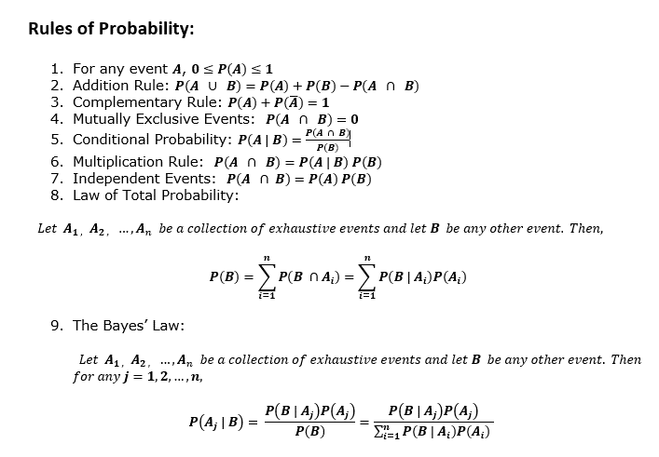
Probability

